Ballast
 |  |  |  |  |  | Document #: | 4095-GBPSH
 |  |  |  |  |  | Rev: | H
 |  |  |  |  |  | Date: | 31/07/2024
 |  |  |  |  |  | ECO #: | 14841

Ballasting The Slocum Glider (Spreadsheet) |  |  |  | Reference Ballasting Procedure 4095-GBP

1- Fill in all fields that are shaded in blue
2- Adjust weight by amount in yellow box to go from neutrally buoyant in tank to neutrally buoyant in target water
3- If you want to change anything, the password to unprotect the sheet is "glider"

Glider Name: |  | Unit 1104 |  |  |  |  | Advanced Volume Calculation Method:
Ballasted by: |  | J. O'Callaghan, O Twigge |  |  |  |  |  |  | Mass (g)
Date: |  | 8/1/2025 |  |  |  |  | Individual Glider Masses | Fore Stem (minus ballast bottles)
Glider Type: |  | G3 Deep (1000m) |  |  |  |  |  | Fore Hull
Add-ons for Standard Method (check box for each) | FWD Hull | ASSY G-1405-L (Standard G3 - 20.25'') |  |  |  |  |  | Aft Stem (plus plug and cards, minus ballast bottles)
 | AFT Hull | ASSY G-1405-L (Standard G3 - 20.25'') |  |  |  |  |  | Aft Hull
 | Primary Payload Bay | Standard PL Bay (10.6'') |  |  |  |  |  | Cowlings
 | Secondary Payload Bay | Other: Primary |  | Please input custom hull length in cell D20 including only FWD stiffener ring |  |  |  | Screws (vacuum, cowling, aft battery)
 | Mark III Aft End Cap |  |  |  |  |  |  | Payload Bay
 | Rockland Scientific Microrider |  |  |  |  |  |  | Wings
 | SUNA Nitrate Sensor |  |  |  |  |  |  | Aft Battery
 | Sonar Dome Recovery System |  |  |  |  |  |  | Pitch Battery
 | Pinger | None |  |  |  |  |  | Fore Battery 1, 2, EMER
 | Thruster | Installed Dummy |  |  |  |  |  | Aft Ballast Bottles
 | Pick Point |  |  |  |  |  |  | Fore Ballast Bottles
Insert Glider-Specific Volume Adjustment Here (L) |  | 0.24 |  |  |  |  |  | Other (pick point, sensors, etc.)
Base Glider Displacement: |  | 10.40 | Liters |  |  |  |  | Glider Mass in Tank (g) |  | <-- Sum of scale readings (glider must be completely submurged)
Total Glider Displacement: |  | 72.06 | Liters |  |  |  |  | Total Glider Mass (kg) | 0
 |  |  |  |  |  |  |  | Glider Volume (L) | 0
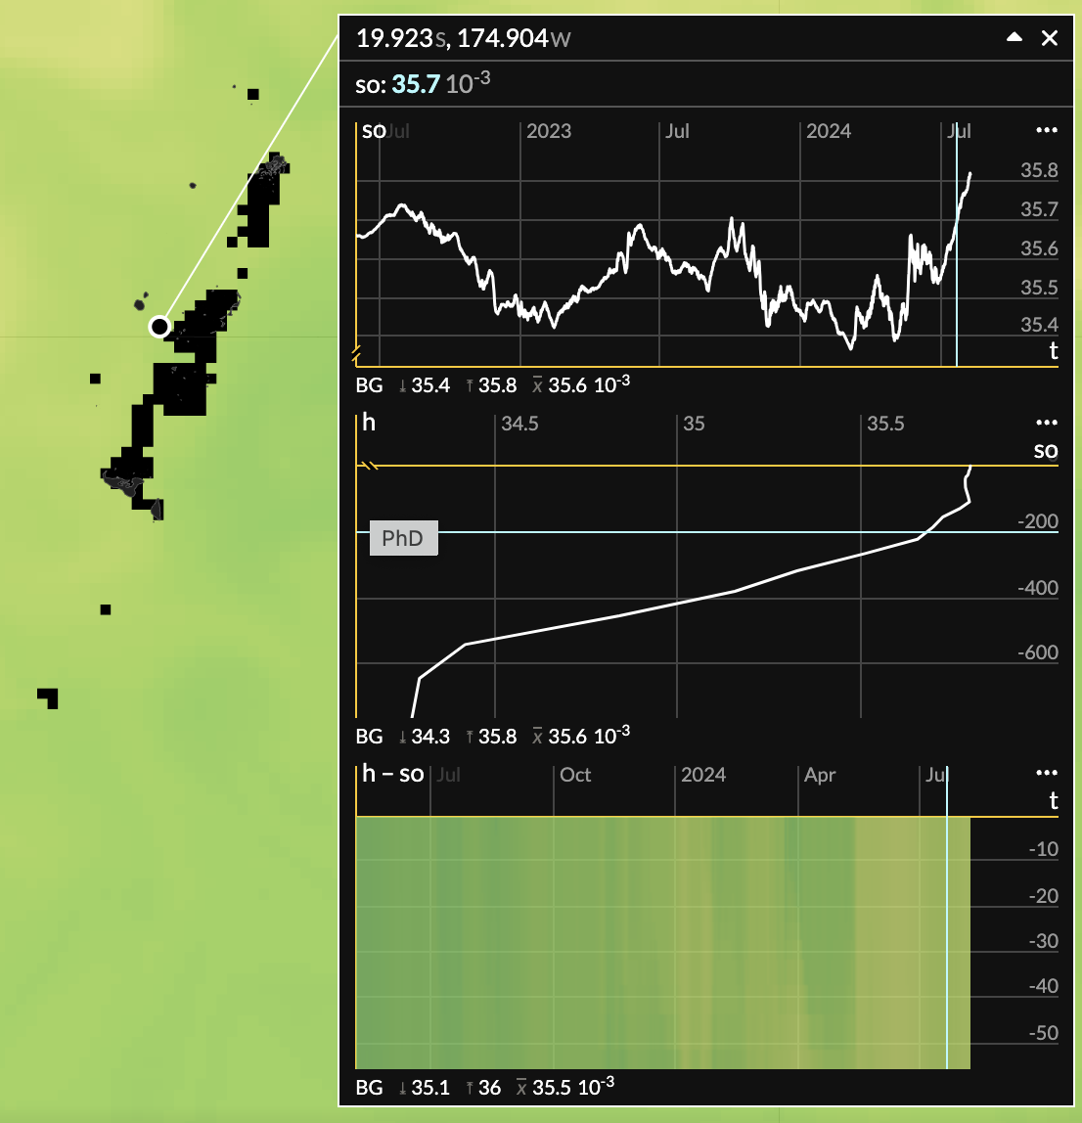
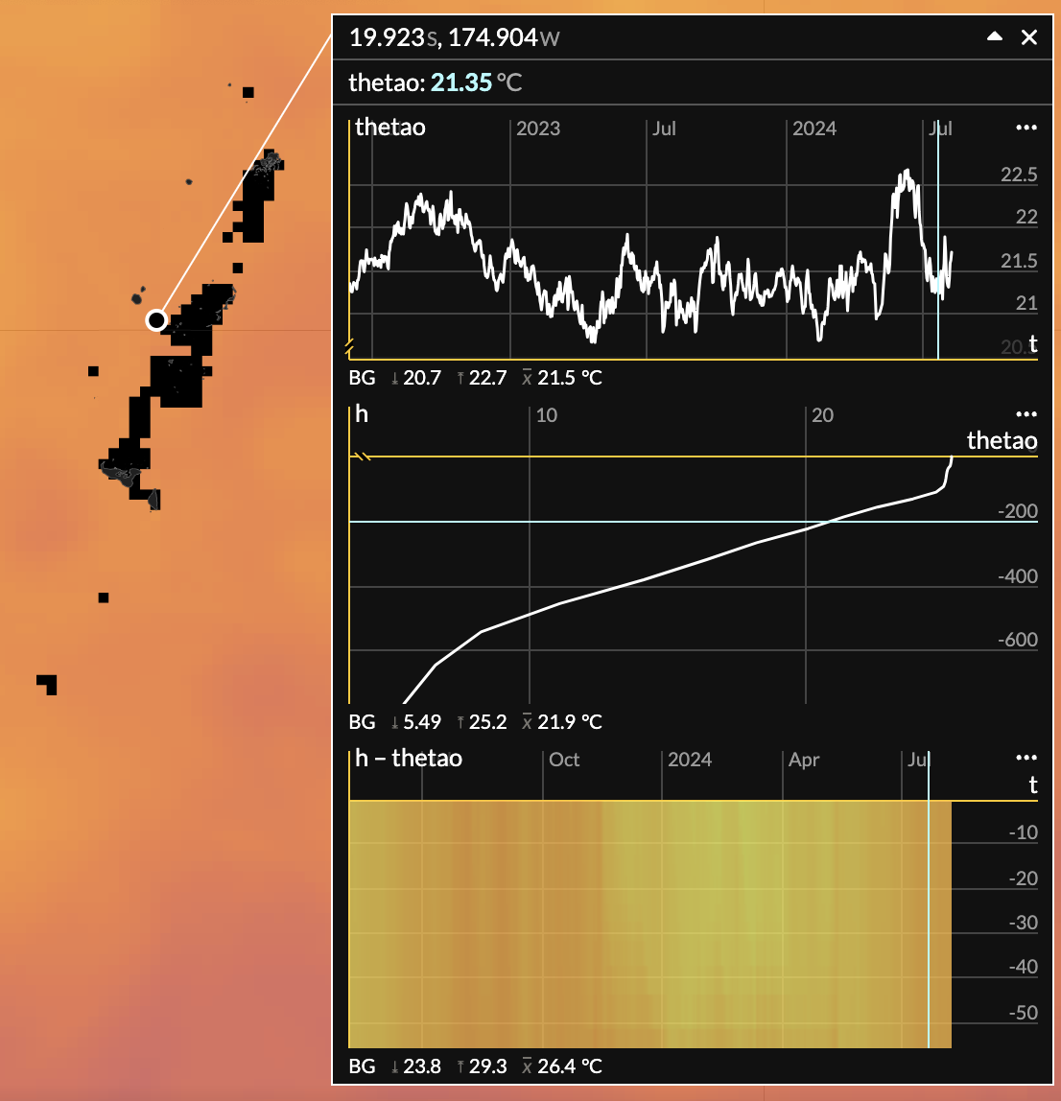

Perfered Volume Calculation Method (Please select from drop down menu) |  | Standard
 |  | 72.06

 |  | Tank Water |  | Target Water |  | Mass Change
Temperature and |  | 21.9590 | oC | 20.7600 | oC | -4.7376 | grams
(Density or |  |  | g/LoC |  | g/LoC
Conductivity or |  |  | s/m | 0.0000 | s/m
Salinity) |  | 34.8530 | pss | 35.4800 | pss

Calculated/given Salinity |  | 34.8530 | pss | 35.4800 | pss
Calculated/given Density |  | 1024.1191 | g/LoC | 1024.9260 | g/LoC | 58.1436 | grams
 |  |  |  | Total Mass Adjustment: |  | 53.4060 | grams
Drive Weight Material
Configure 2 Drive Weights, Each Weighing (g)

Battery Type: |  | Lithium | mass (kg)
Pitch Configuration |  |  | 8.591
Science/Energy Bay Configuration |  |  | NA
Aft Configuration |  |  | 9.9064
Nose Configuration |  |  | 0.5888
Note: This spreadsheet consists of 3 tabs. Complete "Ballast", "Worksheet", and the tab relevant to your particular glider.
Calculating H-moment (Roll Method)

1- Place well-ballasted glider in tank with wings.
2- Add a known amount of weight (~300 g) on one wing rail
3- Attach a spring scale to the glider on the opposite wing rail
4- Measure the weight change shown on the spring scale
5- Measure the angle of roll that the glider undergoes due to the addition of weight. For this step you can use an inclinometer (less accurate) or have the glider on and measure compass roll before and after weight addition and measure angle difference.

6- Remove the added weight, measure weight, and multiply by 0.912 if using Lead weight or by 0.875 if the weight used is stainless steel. This factor accounts for buoyancy provided by water on material.

Roll Start |  | 0.0000 | radians
Roll End |  | 0.0000 | radians

Weight on Spring |  | 0.00 | grams
Weight added on wing rail |  | 0.00 | grams
Angle of Rotation |  | 0.00 | degrees
Radius of Hull + Distance to Weight |  | 107 | mm
(radius of hull: 200m=107, 1000m=110)

H-distance |  | #DIV/0! | mm

Mass of Pitch Battery |  | 8.5910 | kg
Total range of Pitch Battery (+/- in) |  | 1.00 | inches
Pitch Range |  | #DIV/0! | degrees

Calculating H-moment (Pitch Battery method)

1- Put battery position (c_battpos) at about .25, ensure front of glider is not touching bottom of tank- adjust as necessary
2- Record m_pitch and m_battpos
3- Put battery position at 0
4- Record m_pitch and m_battpos

Mass of Pitch Battery |  | 8.5910 | kg
Pitch_1 |  | 0 | radians
Battery Position_1 |  | 0 | inches
Pitch_2 |  | 0 | radians
Battery Position_2 |  | 0 | inches

H-Distance |  | #DIV/0! | mm

Total range of Pitch Battery (+/- in) |  | 1.00 | inches
Pitch Range |  | #DIV/0! | degrees

 |  |  | Sign: |  | Date:

Worksheet
 |  |  |  | Document #: | 4095-GBPSH
 |  |  |  | Rev: | H
 |  |  |  | Date: | 31/07/2024
 |  |  |  | ECO #: | 14841

Glider Ballast Worksheet
Glider Name: | Unit 1104
Ballasting Technician: | J. O'Callaghan, O Twigge
Date: | 2025-08-01
Glider Displacement (L): | 72.1
H-Moment (mm):

TANK WATER: |  |  |  | TARGET WATER
Temperature (°C): | 21.96 |  |  | Temperature (°C): | 20.76
Conductivity (S/m): | 0.00 |  |  | Conductivity (S/m): | 0.00
Salinity (psu): | 34.85 |  |  | Salinity (psu): | 35.48
Density (g/L°C): | 1024.1191 |  |  | Density (g/L°C): | 1024.9260

Pie Weight Locations | Pie weights can be removed or shifted around to indicate exact location. The quantity can also be changed to represent stacked pie weights.
ENERGY/STACK ON BAY |  | FWD SCIENCE BAY |  | AFT SCIENCE BAY

0
0
0
1
2
0
0
0
0

1
2
0
0
1
0

0
0
0
0
0
0
1
0
1

Top
Wing Rail Weight Locations |  | Shade in the location of wing rail weights.
Starboard
Starboard
Top

Bottom
Bottom
Forward
Aft
Top
Top
Port
Port
Bottom
Bottom

Final Weight Configuration As Sent to Customer

Forward | Weight (g) | Payload | Weight (g) | Aft | Weight (g)
Port Bottle | 173 | Top FWD | 600 | Aft Bottle PORT | 210
STBD Bottle | 105 | Bottom FWD |  | Aft Bottle STBD | 235
Bottom Bottle | 505 | Top AFT |  | Aft Plate Bottom | 800
 |  | Bottom AFT | 400
 |  | Weight Bar

Pond Wings: | Installed Dummy
Pinger Channel: | None

G1
 |  |  | Document #: | 4095-GBPSH
 |  |  | Rev: | H
 |  |  | Date: | 31/07/2024
 |  |  | ECO #: | 14841

Glider: | Unit 1104 | Wrong Generation Glider Selected
Date: | 2025-08-01
Forward Hull
Aft Hull
Science Bay

This tab is to be used for gliders configured as shown in the above diagram

Scale readings and setup:
 | Fwd Scale reading: | 0.0 | grams
 | Aft Scale reading: | 0.0 | grams
 | Adjustment from ballasting sheet: | 53.4 | grams
 | Total weight to add: | 53.4 | grams

 | From fwd hull | From center of buoyancy
 | (inches) | (inches)
Fwd scale position |  | #VALUE! |  | Error, check scale position
Aft scale position |  | #VALUE! |  | Error, check scale position

 | Off from center of buoyancy by this much: | #VALUE! | inchgrams
 |  |  |  |  | Notes:
Coordinate Setup: |  |  |  |  | Red numbers indicate measured constants that will affect results.
 | Center of Buoyancy: | Wrong Glider Selected |  |  | The reference point everything is measured from is the forward edge of the forward hull.
 |  |  |  |  | Coordinates of forward top and bottom bottles was measured with heavy end of bottle forward
Mass Position | Dist from Fwd Hull | From CoB |  |  | Depending on which hole is used to bolt weight to the weight bar, coordinates of sci fwd disc
 | (inches) | (inches) |  |  | and sci aft disc will need to be adjusted.
Forward Top |  | #VALUE!
 |  | #VALUE!
Sci Fwd Bottles |  | #VALUE!
Sci Fwd Disc |  | #VALUE!
Center | Wrong Glider Selected | #VALUE!
Sci Aft Disc |  | #VALUE!
Sci Aft Bottles |  | #VALUE!
Aft |  | #VALUE!

Mass Adjustment Section:

Zero if spot unavailable | Position: | Mass Adjustment | Center of Mass Adjustment | Final
One if spot available |  | (grams) | (inchgrams) | Mass
1 | Forward Top | 0 | #VALUE!
 |  | 0 | #VALUE!
1 | Sci Fwd Bottles | 0 | #VALUE!
1 | Sci Fwd Disc | 0 | #VALUE!
1 | Center | 0 | #VALUE!
1 | Sci Aft Disc | 0 | #VALUE!
1 | Sci Aft Bottles | 0 | #VALUE!
1 | Aft | 0 | #VALUE!
 |  | 0 | #VALUE!

Weight adjustment calculation:
 | 53.4 | additional grams need to be added
 | #VALUE! | #VALUE!
 | #VALUE! | Change Forward Top to this: |  |  | <-- when this change is made, the number below will be affected. It is necessary
 | #VALUE! | Change Aft to this: |  |  | to record both numbers so they can both be changed to the correct value.

Instructions:
1- Put glider in tank and attach scales, recording the point of attachment in scale setup section.
2- Record readings on scales in cells C18 and C19. If glider is light, temporarily add an external known weight to the centerpoint of the glider. If weight is temporarily added, enter the removal of the weight as an adjustment in cell C52. (If the weight in water of the weight is 500g, removing this weight will be a -500g adjustment, so enter -500 in cell C52)
3- Looking at cell B59, the necessary weight adjustment to the glider, decide which positions you will be able to add/remove weight from, and enter weight adjustments in cells C48-C55 until no more weight needs to be added or subtracted. Use judgment to determine where to add/subtract weight from. If the front of the glider is heavy, you want to remove weight from the front of the glider.
4- Only after cell B59 reads zero (no more weight adjustments are needed), determine the exact distribution of weight by putting a "1" in each cell, A48-A55, where the corresponding position in cell B48-B55 is available. For example, if weight needs to be moved forward but the forward bottles are full, enter a "0". If they have room to add weight, enter a "1".
5- In doing the weight adjustment calculation, the spreadsheet will select the furthest forward and furthest aft positions that are "available" (as indicated in column A), and calculate how much weight needs to be moved between these two positions, which can be seen in cell B60. If the value shown is greater than the amount that can physically be moved, that's okay, change the weight adjustment cells to reflect the amount of weight you can actually move, and change the 1 to a 0 to reflect that the spot is no longer available. For example, if the spreadsheet tells you to move 1500g from sci fwd to sci aft, but you only have 500g in sci fwd, reduce the sci fwd weight adjustment by 500g, increase the sci aft weight adjustment by 500g, and change the 1 to a 0 in the cell corresponding to sci fwd availibility.
6- Repeat step 5 until no more weight needs to move within the glider (cell B60 will be zero). As you repeat step 5 and change the weight adjustment numbers, you need to ensure that the TOTAL weight adjustment remains at the appropriate value.
7- Remove glider from tank and make weight adjustments. Put glider back in tank. Clear weight adjustment cells and scale reading cells. Repeat step 2 and check ballasting.

If you want to change anything, the password to unprotect the sheet is "glider"

